Defect Reporting
Name | Muhammad Chairil Aqza Ibrahim
Task | Final Project
Test Suite Name | Growia Shop

Defect ID | Defect Title | Test Case | Defect Description | Priority | Severity | Replication Step / Step to Reproduce | Expected Result | Actual Result | EVIDENCE
BUG_001 | out-of -stock product is still added to the cart | CART_ADD_002 | The system allows users to add products to the cart even when the stock is 0 | 2 | 2 | 1. User already at product detail page 2. select product with "habis" desription 3. click "tambah ke keranjang" button. 4. go to shopping cart page | System should prevent user from add the product to the card | User can add product to the cart | 
BUG_002 | The cart icon quantity does not increase after adding product to cart | CART_ADD_004 | User successfully adds product to the cart, but the cart item icon does not increase (this could mislead the user, thinking their cart is still empty, and create confusion during the checkout process) | 3 | 3 | 1. User already at product detail page 2. select a product 3. click "tambah ke keranjang" button. 4. observe if there is change in the icon | cart icon should increase after user add item to the cart | The cart icon did not change after user successfully added item to the cart | 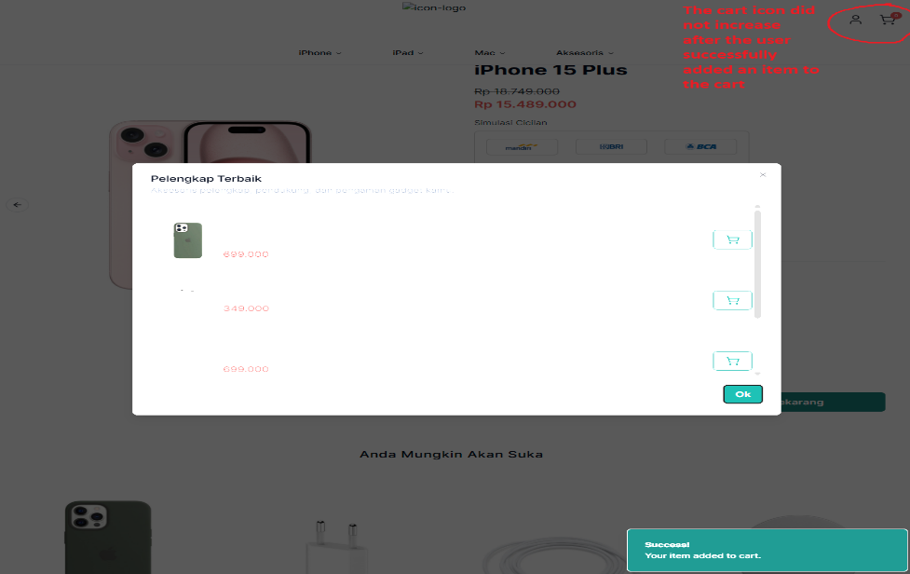
BUG_003 | The Button "Beli Sekarang" does not redirect to checkout page | BUYNOW_006 | The system fails to redirect user from "beli sekarang" button. (This disrupts the direct purchase flow and potentially cause user to abandon transaction process. ) | 2 | 2 | 1. User already at product detail page 2. select a product 3. click "beli sekarang button" button. | System should redirect user to checkout page within the selected product | System did not redirect user to checkout page within the selected product | 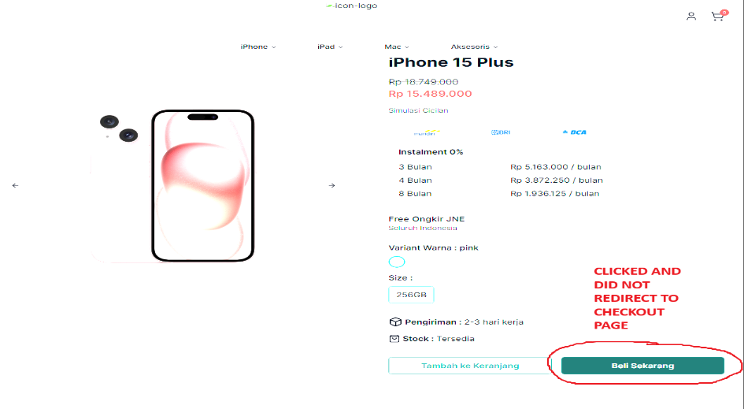
BUG_004 | The user is unable to manually input quantity in the shopping cart | CHECKOUT_012 | The User cannot input manually quantity of product in the shopping cart page. (the input field appears to be either disable or non editable. Which is contradictory to acceptance criteria) | 3 | 3 | 1. User is already at the cart page. 2. edit product quantity manually | The quantity field should allow user to manually type a number to adjust product quantity | The Input field is non editable. User is unable to input any number using the keyboard | 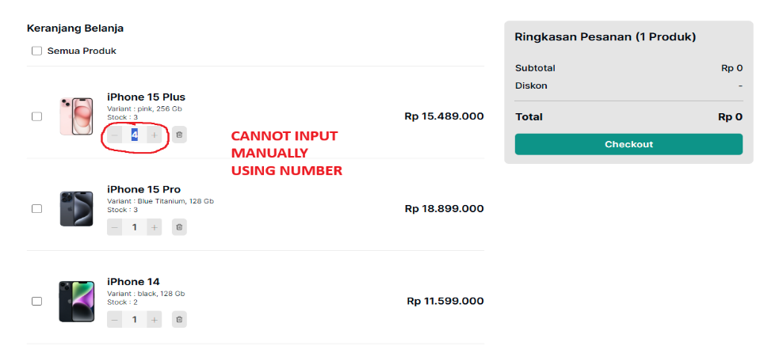
BUG_005 | The Checkout page display incorrect quantity for selected product | CHECKOUT_016 | Incorrect quantity displayed at checkout page. (the quantity(ies) of the product shown does not match the quantity selected product(s) in the shopping cart. This could lead to confusion for the buyer and result in incorrect order being placed) | 2 | 2 | 1. user already on cart page. 2. Click on the "checkout" button. 3. Observe the checkout page. | Checkout page should given correct information about product name, total price and quantity | Checkout page only shown correct information for product name and prodcut total price(s) but did not shown correct product quantity(ies) | 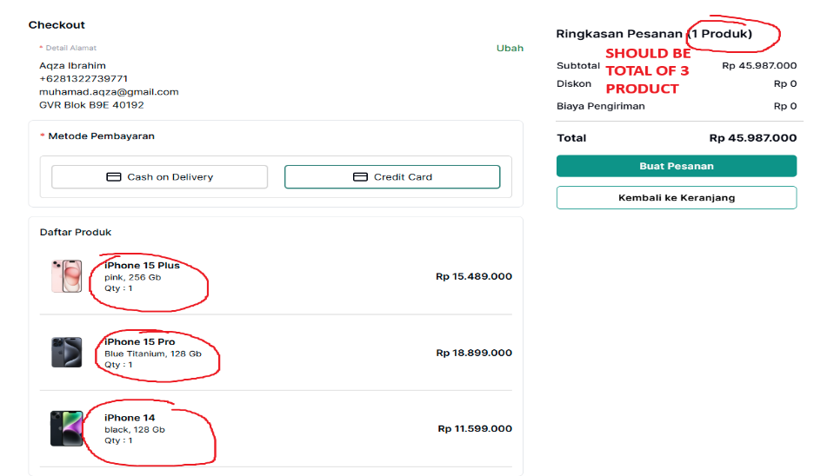
BUG_006 | The system allows checkout even product is out of stock | CHECKOUT_017 | The system allows user to proceed to checkout page even when the product are exceed the stock. (This issues can cause failed transaction, user dissatifaction and stock handling errors on the backend) | 1 | 2 | 1. User already at the cart page 2. Add product that exceed the stock (e.g stock = 2, user input = 3) 3. Click "Checkout" | the system should prevent checkout product that are beyond available stock | the system did not prevent checkout product that are beyond available stock | 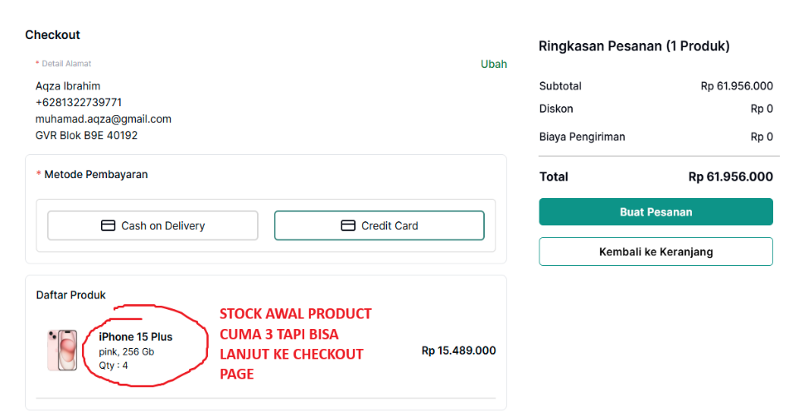
BUG_007 | The system allows user to input negative quantity and proceed to checkout | CHECKOUT_018 | System allows user to input negative quantity and proceed to checkout. (This critical bug could lead in system instability, incorrect order processing and backend calculation error.) | 1 | 2 | 1. User already at the cart page 2. Set Product quantity below 0 (-1) 3. Click "Checkout" | The system should not allow the negative input and did not allow user to proceed to checkout page. | The system did not allowed negative input value and allow user proceed to checkout page | 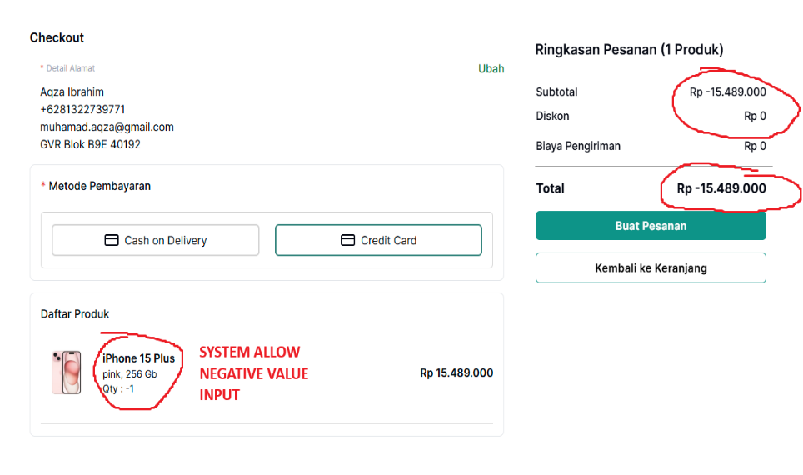
BUG_008 | The cancel Button did not discard changes in address form | UPDATEADDR_022 | Cancel button did not discard changes in address after cancel edit address process. (This behaviour violates expected functionality, where click "batal" should discard all unsaved changes and retain the original address.) | 3 | 3 | 1. User already on checkout page 2. Click "Ubah" 3. Modify current address 4. Click "Batal" 5. Return to checkout page and observe the address section | All changes should be discarded, the address should displayed as unedited (original) | Change observed to the address (blank) even user clicks "batal" button | 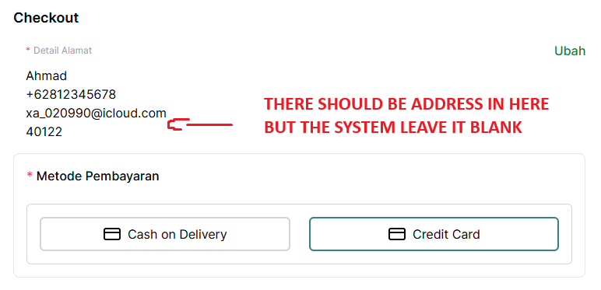
BUG_009 | The phone number field allow non numeric characters | UPDATEADDR_024 | Phone number field at address field is allow non numeric character. (This behaviour violates the validation rule, where only numeric input should be allowed for) | 2 | 3 | 1. User already on checkout page 2. Click "Ubah" 3. Change current "nomer ponsel" to non numeric input (e.g : alphabetical) 4. Click "Simpan 5. Return to checkout page and observe the nomer ponsel section | System not allowed non numerical input to "nomer ponsel" field and reject the change | System allowed the change for non numerical input to "nomer ponsel" field | 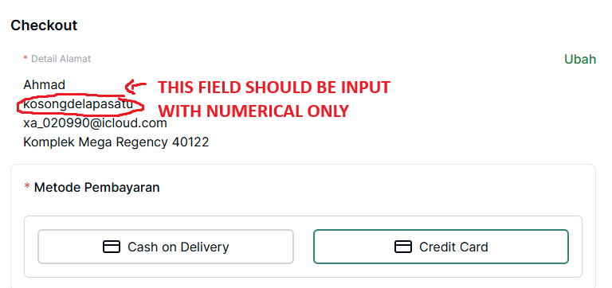
BUG_010 | Address field allow whitespace-only input without validation | UPDATEADDR_025 | Address field allow white spaces only input withot validation. (No validation error is triggered. And successfully submitted with blank looking values) | 4 | 3 | 1. User already on checkout page 2. Click "Ubah" 3. Delete the content of the address field to whitespace-only by pressing spacebar on physical keyboard 4. Click "Simpan" 5. Return to checkout page and observe alamat lengkap changes | System should treat as invalid input and reject the change | System allowed the input and "alamat lengkap" field is shown as blank spaces on checkout page | 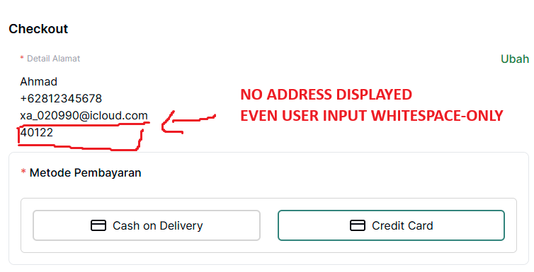
BUG_011 | Click "x" (close) on Pesanan Berhasil Pop Up does not redirect to home and ordered product remains in the shopping cart | CODORDER_027 | User did not redirect to home and products that purchased remains in the shopping cart. (After Placing an order using COD method, a Pesanan Berhasil Pop Up Appeared according to the acceptance criteria, clicking "X" sholud close up the pop up and redirect buyer to home page and remove the ordered product from the shopping cart. However system fails to perform both expectation. The user remain in the current page and the product still exist in the cart, which may result in duplicate orders which can cause major loss to the user. ) | 3 | 3 | 1 . User already on the checkout page 2. Select COD as the payment method 3. Click Buat Pesanan 4. Wait for the “Pesanan Berhasil” popup to appear 5. Click the “X” icon on the popup | User redirect to home page and ordered product is removed from the shopping cart | User did not redirect and the product remain in the shopping cart | 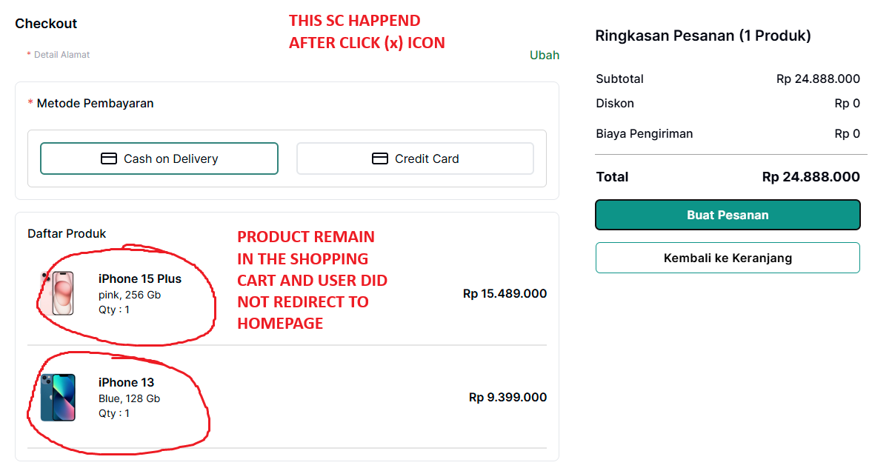
BUG_012 | The user is not redirect to Detail pesanan page after click "lihat detail pesanan" at pop up | CODORDER_028 | User did not redirect to detail pesanan page after click "lihat pesanan" at pop up window. (after succesfully order a pesanan behasil pop up is displayed. When user click on "lihat detail pesanan" button, expected behavior is to redirect the user to the order details page. however, instead redirecting, the system display loading screen that does not disappaer. this couse confusion and preven user from verify their order details.) | 3 | 3 | 1. User already on the Checkout page 2. Select COD as the payment method 3. Click Buat Pesanan 4. Wait for the “Pesanan Berhasil” popup to appear 5. Click the “Lihat Detail Pesanan" | User redirect to order detail page | user did not redirect to order detail page | 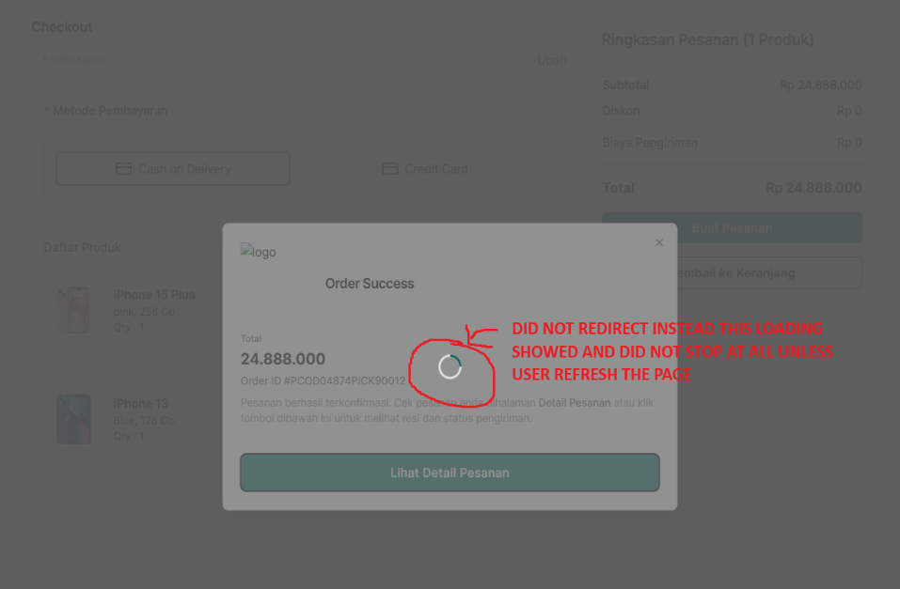
BUG_013 | The ordered Product is not recorded in pesanan saya page after successfully placed order | CODORDER_030 | Ordered Product did not recorded in pesanan saya page after succesfully placed order. (after successfully placing order via COD and confirmation from pesanan berhasil pop up, the user expect the order to be logged and viewable in the "pesanan saya" section. However, upon navigating there there is no information shown about the recently placed order. which can cause confussion and potentially duplicate order made by the user.) | 1 | 2 | 1. User already on the Checkout page 2. Select COD as the payment method 3. Click Buat Pesanan 4. Wait for the “Pesanan Berhasil” popup to appear 5. Click on the "Detail pesanan" which located within the paragraph after Order ID | Order(s) are logged and user can viewed it | Order(s) are not logged and user can viewed it | 
BUG_014 | The Order did not success using credit card as payment method and no pop up appear at checkout page | CREDITCARDORDER_031 | Cannot perform successfully transaction using credit card as payment method. (When user attempts to place an order using credit card method, after clicking "Bayar sekarang" button, system does not show the "Pesanan Berhasil" pop up as expected. Instead loading screen appears similar to the issues found in COD method the only different is on COD method the order was succesfully made and pop up massage appeared. this defect block transaction which could lead to user abandon transaction process. ) | 1 | 1 | 1. User already on the checkout page 2. select credit card as payment method 3. Click "Buat Pesanan" 4. Fill credit card information (card number, expiry date and CVV) 5. Click "Bayar Sekarang" | Order(s) was successfully place and pop up massages "Pesanan Berhasil" Appeared | Order(s) was not successfully placed and pop up massages did not appeared, instead loading screen is appeared | 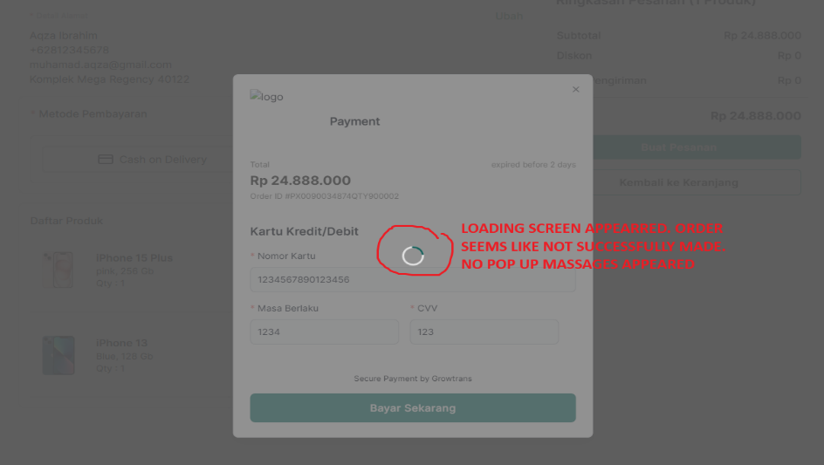
BUG_015 | Unauthorized access to admin listing page is possible after logout via URL | PRODLIST_042 | Unauthorized access is granted to anyone who has URL of admin page. (After the admin logs out, the admin tries to access the product listing page by copying and pasting the URL and allows access to the admin home and product list, bypassing authentication.) | 1 | 2 | 1. admin is already log in 2. copy url 3. log out 4. open new tab 5. paste the copied url to browser 6. hit enter on keybooard | Admin should redirect to the login page or received an unauthorized acces massage when trying to access admin pages after logout | Admin able to login and view the admin dashboard and product list page by paste URL in the browser | 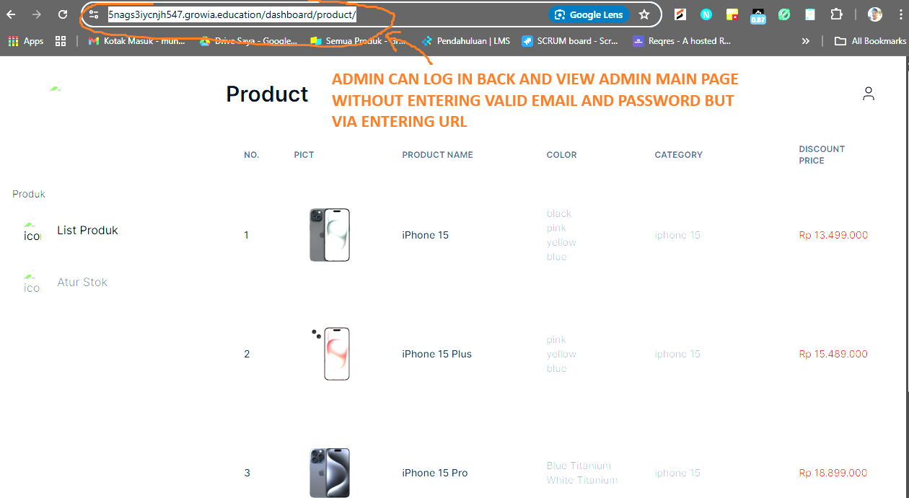
BUG_016 | The admin cannot change stok by manually input numerical at atur stok | EDITSTOCK_044 | Admin cannot change stock by manually input at atur stock product. (When admin attempts to manually input quantity of a product in atur stok page, the input field appears to be either disabled or non-editable. Similar case with the user side.) | 4 | 3 | 1. admin is already log in 2. select a product 3. click edit on a product 4. change the quantity manually | The quantity field should allow admin to manually type a number to adjust product quantity | The Input field is non editable. admin is unable to input any number using the keyboard | 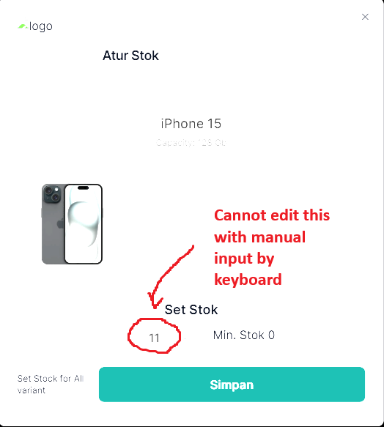
BUG_017 | The system allows saving product stock quantity below 0 | EDITSTOCK_045 | The system allows saving product quantity below 0. (when admin input negative value (-1) as the product stock quantity and clicks "simpan" button, the system accept the input and updates the stock. This behavior is inccorrect as stock quantity should not be less than 0) | 1 | 2 | 1. admin is already log in 2. select a product 2. click edit on a product 3. change the quantity to negative value (-1) 4. click simpan | the system should validate input and prevent saving if the stock quantity is less than 0 by showing an error massage | the system accepts the input and updated the stock and did nothing to prevents it. | 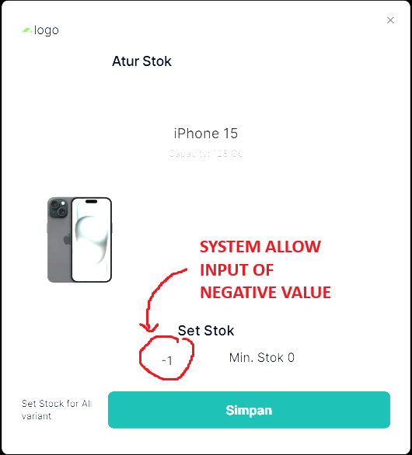
BUG_018 | The "Sisa Stok" column is missing on the "atur stok" page | N/A (Observed during exploratory testing) | No "Sisa Stok" column at atur stok page. This make it difficult for the admin to review the current stock level before editing or updating it | 4 | 3 | 1. admin is already log in 2. observe the column at atur stok page | a visible column or field displaying the current stock level should be available. | no stock quantity shown at atus stok page
BUG_019 | The missing website logo in top of the main page | N/A (Observed during exploratory testing) | Missing website logo in the top of the main page. (The website logo is not displayed on certain pages. This affects brand visibility and can confuse users, especially during navigation. Refer to attached screenshot for example.) | 1 | 4 | 1. User already on home page 2. Observe top left of the main page. | visible company logo at main page | no visible logo at main page
BUG_020 | The "Beli Sekarang" Button at main page is not working | N/A (Observed during exploratory testing) | The "Beli Sekarang" button in the product page appears visually but is not functioning. (It is unclickable, so the user cannot proceed to checkout or add the product to cart.) | 2 | 2 | 1. User already on home page. 2. Click on "Beli Sekarang" Button | The "Beli Sekarang" button should be clickable and should direct user to checkout page or add the item to the cart | The button is visible but does not respond to clicks (unclickable) | 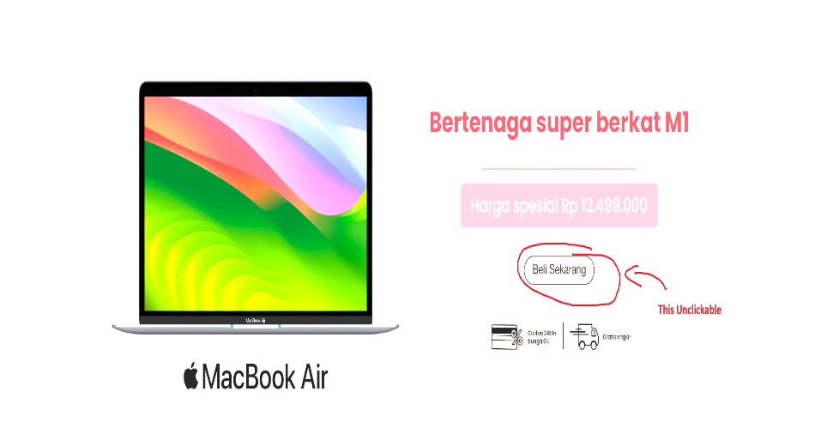
BUG_021 | a broken links on recommended products after adding item to cart | N/A (Observed during exploratory testing) | Broken links on recommended products after adding item to the cart. (After adding a product to the shopping cart, recommended products are displayed. However, clicking the "Buy" button on these items leads to a 404 error page.) | 3 | 3 | 1. User already on product detail page 2. click "tambah ke keranjang" button 3. wait for "rekomendasi produk" muncul 3. Klik "Buy" Buttion | Clicking the "Buy" button should redirect to the product page or add to cart | Clicking the button leads to a 404 error | 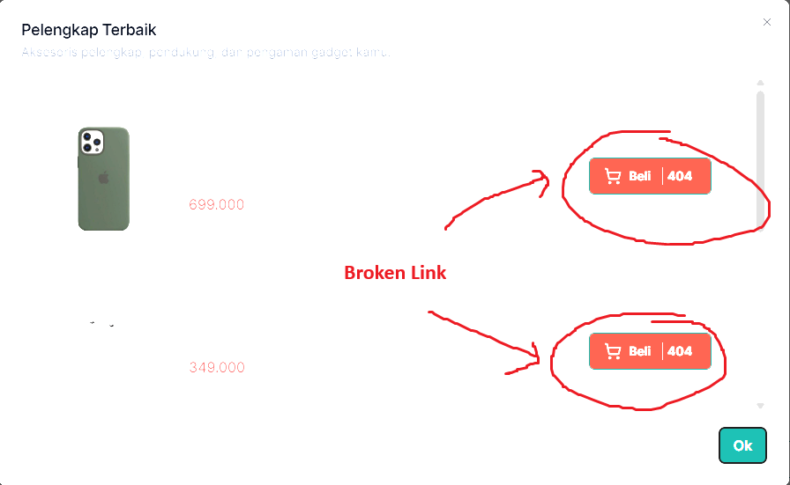
BUG_022 | a broken product links in the "You Might Also Like" section on the product detail page | N/A (Observed during exploratory testing) | Broken link at the product detail page. (section labeled “Anda Mungkin Akan Suka” (You Might Also Like) displays several product recommendations. However, clicking on these product cards leads to a 404 error page, indicating broken or missing links.) | 3 | 3 | 1. User already on product detail page. 2. scroll down to "anda mungkin suka" 3. click on any product recommendation shown below | Each product card should redirect to the correct product detail page. | All product links in the section return a 404 error. | 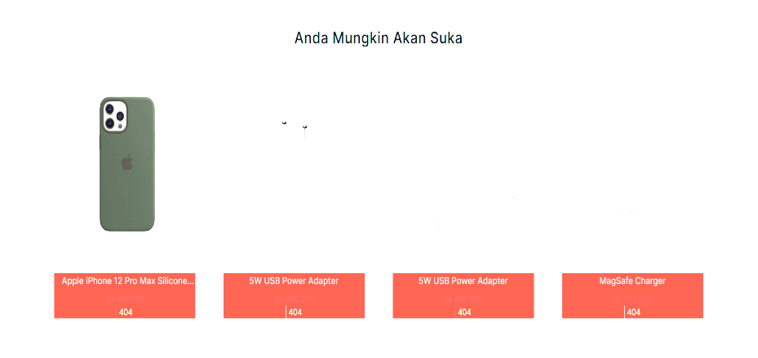
BUG_023 | a missing images on bottom section of the homepage | N/A (Observed during exploratory testing) | Missing images on bottom section of the homepage. (On the homepage, in the section that showcases key selling points (e.g., "Garansi Resmi", "Cicilan 0%", "Jaminan Aman", "Pengiriman Express"), the accompanying images/icons are missing. Instead, the page displays broken image placeholders labeled (img-point-1), making the section look incomplete and unprofessional.) | 2 | 4 | 1.User already on home page 2. Scroll down to the bottom of the page. | Each item should display an image/icon that visually supports the associated selling point. | All four items are missing images and display broken image | 
BUG_024 | a broken links in the "Information" section of homepage footer | N/A (Observed during exploratory testing) | Broken links in the "information" section of homepage footer. (In the footer of the homepage, all links under the "Informasi" (Information) section are broken. Clicking on any of the following links returns a 404 Not Found) | 4 | 3 | 1.User already on home page 2. Scroll down to the bottom of the page. 3. Click on each links under the "Informasi" section | All links under the "Informasi" section should successfully redirect to their respective valid pages. | All three links return a 404 Not Found error. | 
BUG_025 | a missing product specifications on product detail pages | N/A (Observed during exploratory testing) | Missing product spesification on product detail page. (Each product detail page contains a section labeled “Spesifikasi” (Specifications), but no actual product specification content is displayed. This can cause confusion for customers who want to view detailed technical information before purchasing a product.) | 2 | 3 | 1. User already on product detail page. 2. scroll down and click on "spesification". | A list of product specifications should be shown (e.g., dimensions, weight, processor, memory, etc.). | The "Spesifikasi" section is empty and does not display any product-specific information. | 
BUG_026 | The user can proceed to checkout with empty cart | CHECKOUT_047 | User is able to proceed to the checkout page with an empty cart. (This is illogical behavior and could lead to empty transactions being submitted.) | 2 | 2 | 1. User already on shopping cart page. 1. Make sure no item / product is added 2. click "Checkout" | Checkout should be disabled or blocked if the cart is empty, with a warning or prompt to add items first. | User is redirected to checkout page even when the cart is empty. | 

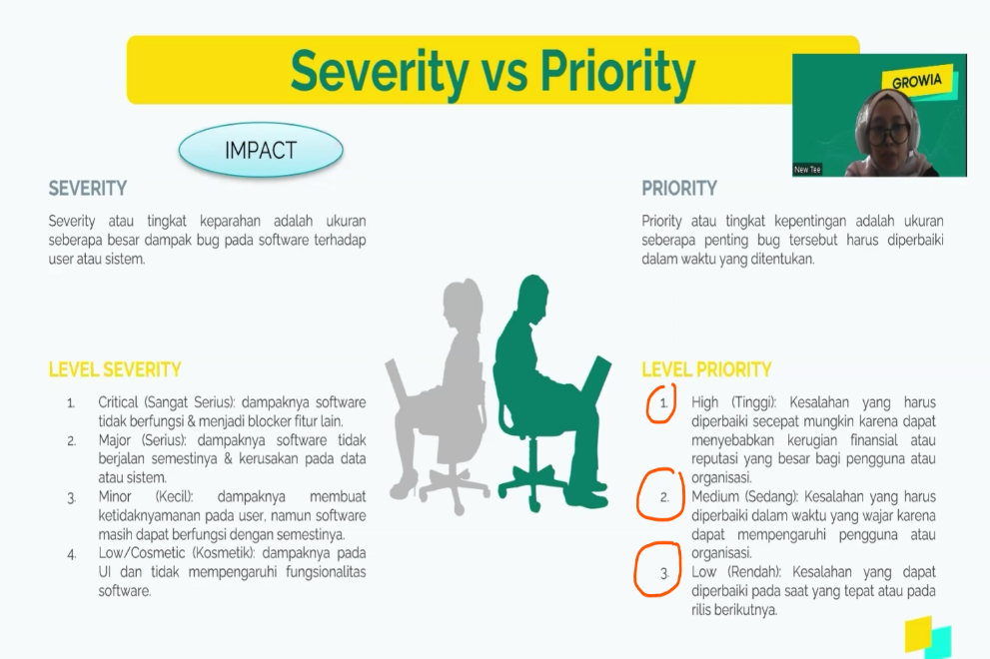
Priority
1 | - The bug affects critical functionalities or core features of the system. - Significant impact on multiple users or business operations. - Requires immediate attention and resolution to avoid major disruptions.
2 | - The bug affects important functionalities or features that are frequently used. - Impact on a significant number of users or business processes. - Requires prompt attention and resolution to prevent major inconvenience.
3 | - The bug affects non-critical functionalities or features with moderate usage. - Impact on a limited number of users or business operations. - Can be addressed within a reasonable timeframe without immediate urgency.
4 | - The bug affects minor functionalities or features with low usage. - Minimal impact on users or business processes. - Can be addressed as part of routine maintenance or in a future release.

Severity
1 | - The bug causes system crash, hang, or corruption. - Data loss or data integrity issues occur. - Security vulnerabilities that allow unauthorized access or data breaches. - Severe performance degradation impacting the majority of users.
2 | - The bug causes major functionality issues that significantly impact user experience. - A workaround may be available, but it is not feasible for regular use. - The functionality affected is important but not essential to the system's primary purpose.
3 | - Minor functionality or feature is broken. - Performance issues affecting only a few users. - Workaround is available, but it affects user experience. - Cosmetic issues that do not significantly impact usability.
4 | - Minor cosmetic issues or UI glitches. - Non-critical features are not working as expected. - Issues with low impact on user experience or system functionality.

